Res Parts - Active
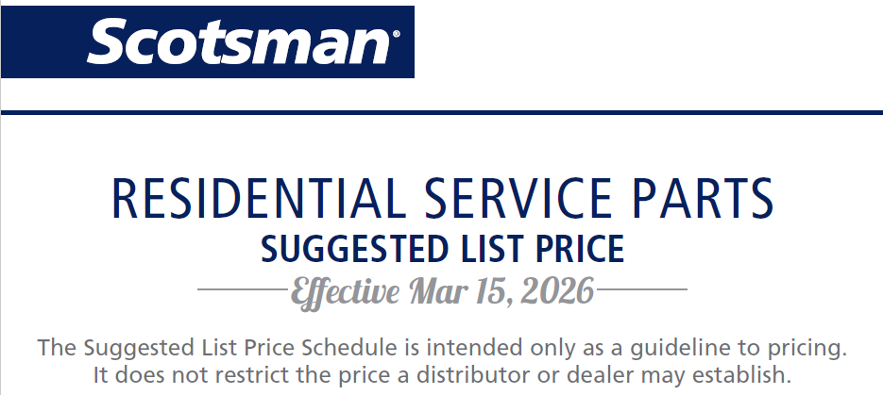
PART NUMBER | DESCRIPTION | SUGGESTED LIST PRICE 3/15/26
759296 | WATER INLET VALVE | $210.85
02-0534-02 | CLAMP - HOSE | $13.64
02-0929-23 | WATER SEAL | $261.84
02-1338-00 | CLAMP-HOSE | $13.64
02-1719-00 | FAN | $52.51
02-1751-00 | DRAIN FITTING | $46.19
02-1840-00 | SPRAY JET | $47.79
02-1841-00 | JET TOP | $33.61
02-1875-07 | PLUG BUTTON | $13.64
02-1875-18 | HOLE PLUG | $26.74
02-1923-01 | BIN INSERT | $86.81
02-1957-00 | DRAIN TUBE | $70.52
02-1995-01 | ICE CHUTE | $78.60
02-2217-01 | RESERVOIR | $233.94
02-2217-02 | FLOAT & VALVE | $146.20
02-2243-02 | KICK PLATE BLACK | $82.05
02-2274-01 | PLATEN COVER | $77.65
02-2479-21 | CURTAIN | $75.84
02-2481-01 | PLUG BUTTON | $24.78
02-2481-02 | BUTTON -PLUG BLACK | $13.64
02-2701-01 | SPACER | $54.24
02-2704-01 | SPRAY BAR | $122.38
02-2814-06 | HOSE CLAMP | $32.47
02-2814-08 | HOSE CLAMP | $24.16
02-2814-10 | HOSE CLAMP | $29.97
02-2814-11 | HOSE CLAMP | $17.85
02-2814-13 | HOSE CLAMP | $13.17
02-2871-01 | FAN SHROUD | $69.72
02-3001-01 | ICE SWEEP | $99.32
02-3070-01 | SCOOP | $41.79
02-3081-02 | RETAINING ROD | $78.41
02-3128-20 | COVER | $105.47
02-3253-01 | SCOOP | $43.52
02-3266-01 | WATER RESERVOIR & FLOAT | $284.09
02-3302-02 | GRILL | $160.44
02-3319-02 | DRIER | $78.94
02-3323-01 | DRAIN | $41.40
02-3369-01 | HOSE | $95.42
02-3369-02 | INLET HOSE | $85.11
02-3374-01 | CHECK VALVE | $46.99
02-3402-32 | SINK ONLY - GREY | $916.32
02-3406-01 | CONNECTOR | $14.99
02-3449-20 | EVAPORATOR | $2,222.48
02-3489-20 | EVAPORATOR | $395.91
02-3522-01 | DISCHARGE ELBOW | $53.12
02-3559-01 | NEEDLE GREASE INJECTOR | $66.89
02-3612-01 | FLOAT - VALVE | $140.13
02-3663-20 | INSULATION PANEL | $137.09
02-3692-21 | DRAIN ADAPTER | $73.87
02-3777-03 | FLOAT STEM - CME306/456 | $61.99
02-3846-01 | SLEEVE | $953.60
02-3847-01 | HANDLE STAINLESS STEEL | $376.29
02-3866-03 | HINGE | $87.24
02-3866-04 | HINGE | $87.24
02-3944-01 | SPOUT | $60.69
02-3982-01 | KICKPLATE | $63.37
02-3983-01 | SHELF | $115.11
02-3984-01 | PAN DRAIN | $164.92
02-3987-01 | TROUGH | $44.05
02-4064-01 | WATER HEADER BOTTOM | $61.10
02-4065-01 | WATER HEADER TOP | $40.51
02-4100-31 | CURTAIN SERVICE KIT | $408.15
02-4156-21 | KIT TOP EVAP PLATE SERV | $133.80
02-4193-01 | BIN DRAIN GASKET | $42.36
02-4197-01 | BLADE-FAN | $34.18
02-4205-01 | WATER HEADING MOUNTING | $40.73
02-4212-01 | AIR FILTER | $68.48
02-4212-03 | FILTER SILVER | $38.99
02-4304-01 | GRILL-FRAME-CU26 | $72.58
02-4304-02 | GRILL-INSERT-CU26 | $45.01
02-4307-01 | CURTAIN-CU | $47.80
02-4365-01 | EVAP COMPARTMENT FRONT | $29.76
02-4368-01 | PUMP OUTLET TUBE ASSY | $17.50
02-4369-01 | SUMP CLEAN OUT COVER | $30.64
02-4370-21 | KIT-SPRAYER TOP | $36.54
02-4371-03 | ASSY SPRAYER | $99.13
02-4373-01 | O-RING | $13.92
02-4375-01 | EVAP BRACKET LEFT SIDE | $14.97
02-4375-02 | EVAP BRACKET RIGHT SIDE | $14.97
02-4376-01 | EVAP ASSEMBLY 24 CUBE | $942.12
02-4376-02 | EVAP ASSEMBLY 12 CUBE | $716.20
02-4376-03 | EVAP ASSEMBLY 24 CUBE W | $993.49
02-4379-01 | PUMP OUTLET TUBE | $32.80
02-4380-01 | LIGHT COVER | $14.27
02-4381-01 | EVAP WATER INLET BARBED | $16.34
02-4381-02 | EVAP WATER INLET SPOUT | $16.34
02-4381-03 | EVAP WATER INLET | $13.64
02-4382-03 | CONTROL BOX BLACK | $69.83
02-4386-01 | CONTROL BOX COVER | $28.96
02-4390-01 | KICK PLATE | $28.56
02-4391-03 | SCOOP ASSY | $33.91
02-4392-01 | BIN LIP INLAY | $19.58
02-4412-01 | BIN DRAIN TUBE GRAVITY | $32.94
02-4413-01 | BIN DRAIN TUBE PUMP | $66.59
02-4415-20 | KIT LET CAP SERVICE | $28.90
02-4426-01 | TOP PANEL INSULATION | $64.94
02-4427-01 | SUMP ASSEMBLY | $321.15
02-4427-02 | SUMP ASSEMBLY SCC30 | $428.69
02-4428-01 | SUMP DRAIN TUBE | $13.78
02-4430-01 | VERTICAL HANDLE | $394.02
02-4430-42 | VERTICAL HANDLE WHITE | $359.68
02-4430-52 | VERTICAL HANDLE BLACK | $359.68
02-4433-01 | PANEL CORNER SUPPORT RH | $17.60
02-4433-02 | PANEL CORNER SUPPORT LH | $17.60
02-4441-01 | SERVICE PANEL HANDLE | $16.54
02-4450-01 | CONDENSER FILLER | $20.81
02-4474-01 | HINGE COVER PACKAGE | $146.67
02-4475-01 | EVAP COMP GROMMET | $13.64
02-4508-01 | SUMP CLEANOUT SCC30 | $23.41
02-4558-01 | FOAMED FREEZER ASSEMBLY | $1,702.31
02-4568-01 | HINGE | $83.82
02-4568-02 | HINGE MIRRORED | $83.82
02-4569-01 | DOOR LINER V-FORMED | $122.81
02-4570-01 | FOAM LINER LOWER | $40.60
02-4572-01 | TUBE FREEZER WATER IN | $86.02
02-4580-23 | KIT GEARMOTOR ASSY | $2,312.84
02-4582-01 | FREEZE COMPARTMENT | $162.44
02-4591-21 | AUGER-SVC | $1,168.27
02-4599-21 | WATER SEAL CERAMIC-INDIV | $139.29
02-4602-01 | FREEZER COMPARTMENT | $25.44
02-4619-01 | SLEEVE BEARING | $231.74
02-4625-01 | ADAPTER - FREEZER MTG | $282.80
02-4628-01 | ICE SWEEP | $33.13
02-4652-01 | VALVE FLOAT | $165.74
02-4655-01 | POWER CORD ASSY | $180.12
02-4655-04 | DOOR SHELF | $119.69
02-4655-07 | CONTROL ASSY | $306.49
02-4655-08 | EDGE TRIM - 11.40 | $28.38
02-4655-10 | GASKET - RFE | $124.02
02-4655-14 | GRILLE ASSEMBLY | $61.43
02-4655-15 | PACKAGING | $449.76
02-4655-16 | CONDENSER FAN ASSY | $176.70
02-4662-01 | WATER SHED | $134.65
02-4678-01 | TUBE - WATER PUMP/DRAIN | $93.00
02-4680-01 | UPPER WATER HEADER | $27.98
02-4693-01 | WATER HEADER SEAL | $22.71
02-4707-01 | SPLASH CURTAIN | $29.60
02-4726-01 | COVER EVAPORATOR | $16.72
02-4728-01 | ICE CHUTE | $31.87
02-4729-01 | ICE CHUTE INSULATION | $29.20
02-4730-01 | COVER EVAPORATOR | $65.35
02-4763-01 | LOUVERS | $102.58
02-4800-21 | DISPENSE CHUTE HOLDER 16 | $102.29
02-4817-01 | DCE TEMP CONTROL KNOB | $22.09
02-4821-02 | BEZEL ASSEMBLY | $13.64
02-4825-11 | SENSOR COVER ICE ASSY | $49.14
02-4825-12 | SENSOR COVER WATER ASSY | $49.14
02-4830-01 | CONTROL COVER | $61.32
02-4832-01 | DRAIN ASSEMBLY | $142.98
02-4840-21 | AUGER SVC | $1,622.88
02-4843-23 | BEARING NTN SVC | $309.41
02-4845-01 | SHIELD WATER CN | $58.98
02-5028-02 | CURTAIN ASSEMBLY | $52.71
02-5029-01 | DEFLECTOR | $53.72
03-1394-00 | NUT | $13.64
03-1394-05 | PAN NUT | $15.06
03-1403-03 | SCREW | $13.64
03-1403-16 | SCREW | $13.64
03-1403-17 | SCREW | $13.64
03-1403-67 | SCREW #8-32 X 3/4 | $13.64
03-1403-86 | SCREW #8-32 X 1/2 BLACK | $13.64
...

